Sheet1
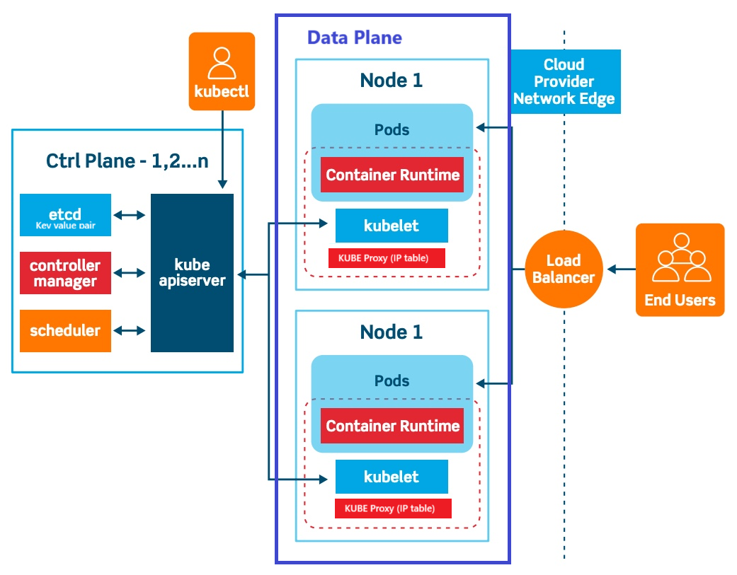
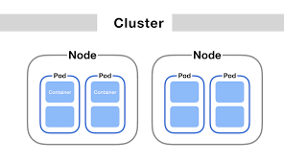
K8 Architecture | Important parameters
 |  |  | Docker Difficiency
 |  |  | 1> Auto Healing
 |  |  | 2> Auto Scaline
 |  |  | 3> Enterprise level support
 |  |  | 4> Single Host

 |  |  | Kuberneter Resolves them

 | Control Plane | Data Plane
 | Api Server | kubelet
 | ETCD | Proxy server
 | CCM | Container Runtime
 | Scheduller

